1. Title Page
[Grocery Basket Analysis]

Project Name: Instacart Grocery Basket Analysis
Date: 23.01.2024
Analyst Name: Kristin Lüpken

Contents:
Population Flow
Consistency checks
Wrangling steps
Column derivations
Visualizations
Recommendations
Crosstab Data example

Data Citation
“The Instacart Online Grocery Shopping Dataset 2017”, Accessed from www.instacart.com/datasets/grocery-shopping-2017 via Kaggle on 01.02.2023.
Customer Data and Prices column in the products data set were fabricated for the purpose of the careerfoundry assignment

Data Security
Data contains personally identifiable information (PII) in the form of 'name' and 'age'.
Accordingly it needs to be confirmed that the storage, usage and sharing of data is GDPR compliant.
If it is not, I recommend to drop the name columns from the data frame for the rest of the analysis.

2. Population Flow
Title page

Population flow

Exclusion flag
Condition: max_order < 5
Obervations to be removed: 1441570
Final total count of order_products_all: 30993489,35

Orders_products_combined
Orders_products_merged
Orders_products_all
Orders_products_all

Total: 32404859
Total: 32434489
Total: 32404859
Total: 32404859

1.) The grey boxes in the first row of the population flow represent the original data sets as they were when you downloaded them. In the Total fields you need to add the count of the rows when you imported the data set into Jupyter.
2.) The second row of boxes (coloured) represents the data sets after you manipulated them, e.g., removed missing values and duplicates. In the Total fields you need to add the count of the rows after conducting these operations. This offers a visual oveview of how the data flows throughout the data consistency checks.
3.) The third row, where also the arrows are coloured, represents the merges you performed between the datasets. In the Total fields you need to add the count of the rows in the merged datasets, so that you end up with the final dataset (in the red box). Keep in mind the final dataset should be without exclusions (based on the exclusion flag).

3. Consistency checks
 |  |  |  |  |  | Title page
Consistency checks

Dataset | Wrong values | Wrong value treatment | Missing values | Missing values treatment | Duplicates
orders |  |  | x | x | x
products |  |  | 16 | 16 missing values in product_name excluded | 7 duplicate rows excluded
orders_checked |  |  | NaN values in days_since_prior_order column | NaN values in days_since_prio_order column refer to first orders only (no prior order was made) - see crosstab NAN in days_s_p_o tab for reference. Values were left untreated
orders_products_prior |  |  | x | x | x
customers |  |  | 11259 first name values are missing | no action required, non-essential column | x
ords_prods_merge_4.8 | Price for 2% Milk at | Price set to price of regular milk = 7.7
 | Price for 2% Cottage Cheese | Price set to price of reglar cottage cheese =

4. Wrangling steps
 |  |  |  | Title page
Wrangling steps

Columns dropped | Columns renamed | Columns' type changed | Comment/Reason
 | df_ords: order_dow --> order_day_of_week
 |  | df_ords: order_id turned to string | identifier
 |  | df_ords: user_id turned to string | identifier
 |  | df_prods: product_id turned to string | identifier
 |  | df_prods: aisle_id turned to string | identifier
 |  | df_prod: department_id turned to string | identifier
eval_set |  |  | unnecessary for analysis
_merge |  |  | unnecessary for analysis
df_customer | First Name --> first_name
 | Surnam --> last_name
 | Gender --> gender
 | STATE --> state
 | Age --> age

5. Column derivations
 |  |  |  | Title page

Column derivations and aggregations

In this tab you should add tables below that the frequences of flags/label variables that you produced after deriving them. NB: don't do this for continuous variables, only for flags.
Dataset | New column | Column/s it was derived from | Conditions
orders_products_combined_extra_columns | order_type | order_number | # Create 'order_type' list result_1 = [] for value in df_merge['order_number']: if value == 1: result_1.append('first_order') else: result_1.append('returning_order')
orders_products_combined_extra_columns | busiest_days | order_day_of_week | # Create 'busiest days' list result_2 = [] for value in df_merge['order_day_of_week']: if value in[0,1]: result_2.append('busiest days') elif value in[3,4]: result_2.append('least busy') else: result_2.append('regularly busy')
orders_products_combined_extra_columns | busiest_day | order_day_of_week | # Create 'busiest day' list result = [] for value in df_merge['order_day_of_week']: if value == 0: result.append('busiest day') elif value == 4: result.append('least busy') else: result.append('regularly busy')
orders_products_combined_extra_columns | busiest_period_of_day | order_hour_of_day | # Create 'busiest period of day' list result_3 = [] for value in df_merge['order_hour_of_day']: if value in[10,11,14,15,13,12,16,9]: result_3.append('most orders') elif value in[17,8,18,19,20,7,21,22]: result_3.append('average orders') else: result_3.append('fewest orders')
ords_prods_all | order_frequency_flag | user_id and days_since_prior_order | # Create an order frequency flag ords_prods_merge.loc[ords_prods_merge['median_days_since_prior_order']>20, 'order_frequency_flag'] = 'non-frequent customer'
 |  |  | ords_prods_merge.loc[(ords_prods_merge['median_days_since_prior_order']>10) & (ords_prods_merge['median_days_since_prior_order']<=20 ),'order_frequency_flag'] = 'regular customer'
 |  |  | ords_prods_merge.loc[ords_prods_merge['median_days_since_prior_order']<=10, 'order_frequency_flag'] = 'frequent customer'
ords_prods_all | spending_flag | user_id and prices | # Create a spending flag ords_prods_merge.loc[ords_prods_merge['mean_product_price']<10, 'spending_flag'] = 'low spender'
 |  |  | ords_prods_merge.loc[ords_prods_merge['mean_product_price']>=10, 'spending_flag'] = 'high spender'
ords_prods_all | loyalty_flag | user_id and order_number | # Create a loyalty flag using loc ords_prods_merge.loc[ords_prods_merge['max_order'] > 40, 'loyalty_flag'] = 'loyal customer'
 |  |  | ords_prods_merge.loc[(ords_prods_merge['max_order'] <= 40) & (ords_prods_merge['max_order'] > 10), 'loyalty_flag'] = 'regular customer'
 |  |  | ords_prods_merge.loc[ords_prods_merge['max_order'] <= 10, 'loyalty_flag'] = 'new customer'
orders_products_all | customer_activity | max_order | # Create a customer_activit flag to exclude customers with less than 5 orders from final dataset ords_prods_all.loc[ords_prods_all['max_order'] < 5, 'customer_activity'] = 'low-activity'
 |  |  | ords_prods_all.loc[ords_prods_all['max_order'] >= 5, 'customer_activity'] = 'high-activity'
orders_products_all | customer_profile | age, dependants, order_hour_of_day, order_day_of_week | # Create customer segmentation 'age' result = [] for value in ords_prods_all['age']: if value > 60 and value <= 78: result.append('boomer') elif value > 45 and value <= 59: result.append('genX') elif value > 30 and value <= 44: result.append('millennial') elif value < 29: result.append('genZ') else: result.append('silent_gen')
 |  |  | # Create customer segmentation 'dependants' result_1 = [] for value in ords_prods_all['n_dependants']: if value == 0: result_1.append('single') else: result_1.append('multi')
 |  |  | # Create customer segmentation 'order_day_of_Week' result_2 = [] for value in ords_prods_all['order_day_of_week']: if value == 0 or value == 1: result_2.append('weekend') else: result_2.append('weekday')
 |  |  | # Create customer segmentation 'order_hour_of_day' result_3 = [] for value in ords_prods_all['order_hour_of_day']: if value >=7 and value <=22: result_3.append('daytime_shopper') else: result_3.append('nighttime_shopper')
orders_products_all | customer_profile_products | department_id | # Create customer segmentation 'department_id' result_4 = [] for value in ords_prods_all['department_id']: if value == '18.0': result_4.append('baby') else: result_4.append('no_baby')
 |  |  | # Create customer segmentation 'department_id' result_5 = [] for value in ords_prods_all['department_id']: if value == '8.0': result_5.append('pet') else: result_5.append('no_pet')
orders_products_all | income_level | income | # Create customer segmentation 'income' result_7 = [] for value in ords_prods_all['income']: if value > 9.943773e+04: result_7.append('income_above_average') else: result_7.append('income_below_average')
orders_products_all | customer_profile_1 | age & dependants | # Create customer segmentation 'age' result_1 = [] for value in ords_prods_all['age']: if value > 59: result_1.append('boomer+') elif value > 44 and value <= 59: result_1.append('genX') elif value > 29 and value <= 44: result_1.append('millennial') elif value <= 29: result_1.append('genZ') else: result_1.append('nan')
 |  |  | # Create customer segmentation 'dependants' result_2 = [] for value in ords_prods_all['n_dependants']: if value == 0: result_2.append('single_hh') else: result_2.append('multi_hh')
orders_products_all | customer_profile_2 | order_day_of_week and order_hour_of_day | # Create customer segmentation 'order_day_of_Week' result_3 = [] for value in ords_prods_all['order_day_of_week']: if value == 0 or value == 1: result_3.append('weekend') else: result_3.append('weekday')
 |  |  | # Create customer segmentation 'order_hour_of_day' result_4 = [] for value in ords_prods_all['order_hour_of_day']: if value >=7 and value <=22: result_4.append('daytime_shopper') else: result_4.append('nighttime_shopper')
orders_products_all | product_baby | deparmtent | # Create product segmentation 'babies' result_5 = [] for value in ords_prods_all['department']: if value == 'babies': result_5.append('baby_products') else: result_5.append('no_baby_products')
orders_products_all | product_price_level | prices | # Create customer segmentation 'product price' result_8 = [] for value in ords_prods_all['prices']: if value <= 5: result_8.append('product_price <5$') elif value > 5 and value <= 10: result_8.append('product_price 5-10$') elif value > 10 and value <= 15: result_8.append('product_price 10-15$') else: result_8.append('product_price >15$')

6. Visualizations
 |  |  |  |  |  |  |  |  |  | Title page

Visualisations

In this tab you should include all the visualtions from Exercises 4.9 and 4.10, alongside the questions from the project brief that they answer. Include any commentary on the relationship between different variables.
 |  |  |  |  |  |  |  |  | Day of the Week Key
 |  |  |  |  |  |  |  |  | 0 = Saturday | 1 = Sunday | 2 = Monday | 3 = Tuesday. | 4 = Wednesday | 5 = Thursday | 6 = Friday

Question: How are orders distributed over the days of the week? What is the busiest day? [fig_1] |  |  |  |  |  |  | Question: What is the distribution of price over price? [fig_2] |  |  |  | Question: How are orders distributed over the days of the week? [fig_3]
Answer: Days with most orders are Saturday, followed by Sunday and Friday |  |  |  |  |  |  | Answer: Most products are between $1 and $15, while a few are higher priced at $15 to $25 |  |  |  |  | Answer: . The blue line represents how prices differ depending on the day of the week. The peaks on days zero and six mean that higher priced items are bought on Friday and Saturday. This might be due to people stocking up on things before the weekend.


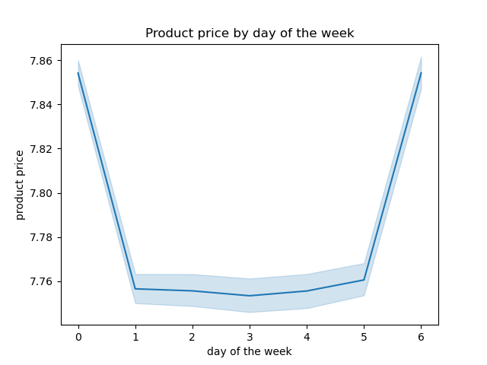

 |  |  |  |  |  |  |  |  | Histogram with price Frequency over 70 bins

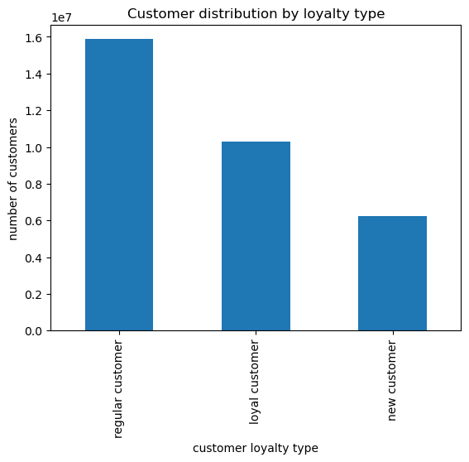
Question: How are orders distributed over the hours of the day? [fig_4] |  |  |  |  |  |  | Question: What is the frequency of the three customer types? [fig_5] |  |  |  | Question: Is there a difference in expenditure depending on the hour of day? When do people spend most of the money? [fig_6]
 | Answer: The histogram shows that the least orders happen in the night time (as could be expected) between midnight and 6 in the morning. Most orders come in between 10.00 and 16.00 after which time the numbers drop continuously until they pick up again around 5/6 in the morning. |  |  |  |  |  |  | Answer: Most orders come from regular customers, followed by loyal and new customers. Could hint to a more conservative new customer acquisition strategy (focus on profitability rather than market share acquisition) but at this point this is just a speculation. |  |  |  | Answer: Interestingly expenditure is highest around 4am and lowest around 2am and 9-10am. However, the price only fluctuates between ~ 7.75 and 7.85.

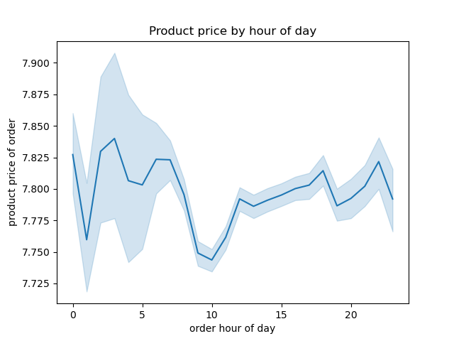

 |  |  |  |  |  |  |  | regular customer | loyal customer | new customer
 |  |  |  |  |  |  |  | maximum orders | maximum orders | maximum orders
 |  |  |  |  |  |  |  | > 10 <= 40 | > 40 | <= 10

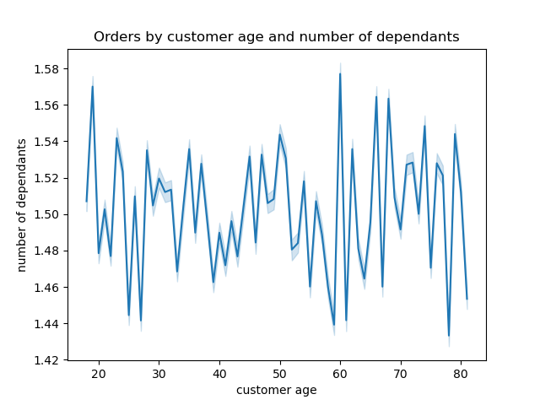
 | Question: Is there a connection between age and number of dependants? [fig_7] |  |  |  |  |  | Question: Is there a connection between age and spending power (income)? [fig_8] |  |  |  | Question: Are there certain types of products that are more popular than others? Which departments have the highest frequency of product orders? [table_1]
 | Answer: There is no clear consistent relation between age and number of dependants. The data fluctuates a lot - with a majority between 1.44 and 1.58 dependants. Generally speaking the dependants peaks are more frequent in the 60+ age segment with an exception to the 19 year olds who also score high. |  |  |  |  |  |  | Answer: While the majority of instacart customers have an income <200.000 UD it becomes visible in the scatterplot that there are more people in the 40+ age range that reach an income of >200.000 UD and >300.000 UD and even a few >400.000 UD which is not visible in the age range below 40 years of age. |  |  |  | Answer: The top 5 departments with the highest orders in total are product, dairy eggs, snacks, beverages and frozen.
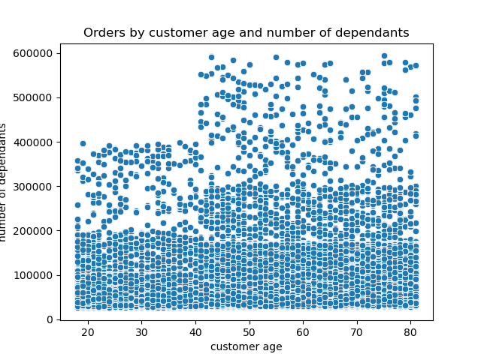
 |  |  |  |  |  |  |  |  |  |  |  |  | department_name | department_id | order number count
 |  |  |  |  |  |  |  |  |  |  |  |  | produce | 4 | 9479291
 |  |  |  |  |  |  |  |  |  |  |  |  | dairy eggs | 16 | 5398747
 |  |  |  |  |  |  |  |  |  |  |  |  | snacks | 19 | 2887550
 |  |  |  |  |  |  |  |  |  |  |  |  | beverages | 7 | 2688123
 |  |  |  |  |  |  |  |  |  |  |  |  | frozen | 1 | 2234743
 |  |  |  |  |  |  |  |  |  |  |  |  | pantry | 13 | 1875369
 |  |  |  |  |  |  |  |  |  |  |  |  | bakery | 3 | 1172428
 |  |  |  |  |  |  |  |  |  |  |  |  | canned goods | 15 | 1068058
 |  |  |  |  |  |  |  |  |  |  |  |  | deli | 20 | 1051249
 |  |  |  |  |  |  |  |  |  |  |  |  | dry goods pasta | 9 | 866627
 |  |  |  |  |  |  |  |  |  |  |  |  | household | 17 | 738666
 |  |  |  |  |  |  |  |  |  |  |  |  | meat seafood | 12 | 708927
 |  |  |  |  |  |  |  |  |  |  |  |  | breakfast | 14 | 703033
 |  |  |  |  |  |  |  |  |  |  |  |  | personal care | 11 | 447572
 |  |  |  |  |  |  |  |  |  |  |  |  | babies | 18 | 423802
 |  |  |  |  |  |  |  |  |  |  |  |  | international | 6 | 269253
 |  |  |  |  |  |  |  |  |  |  |  |  | alcohol | 5 | 153696
 |  |  |  |  |  |  |  |  |  |  |  |  | pets | 8 | 97716
 |  |  |  |  |  |  |  |  |  |  |  |  | missing | 21 | 69145
 |  |  |  |  |  |  |  |  |  |  |  |  | other | 2 | 36291
 |  |  |  |  |  |  |  |  |  |  |  |  | bulk | 10 | 34573

 | Question: Is there a difference in spending habits between the different US regions? [fig_9]
 | Answer: While the South has the most high spending customers in terms of count with >40K, the Midwest has the highest percentage of high spenders among the total Midwest customer base with 0.38%. The Northeast has both the lowest count and lowest percentage of high spenders among all 4 regions.

 | region | high spender | low spender | percentage_high_spender
 | Midwest | 29041 | 7574975 | 0.38%
 | Northeast | 18621 | 5709823 | 0.32%
 | South | 40476 | 10761506 | 0.37%
 | West | 31139 | 8269478 | 0.37%

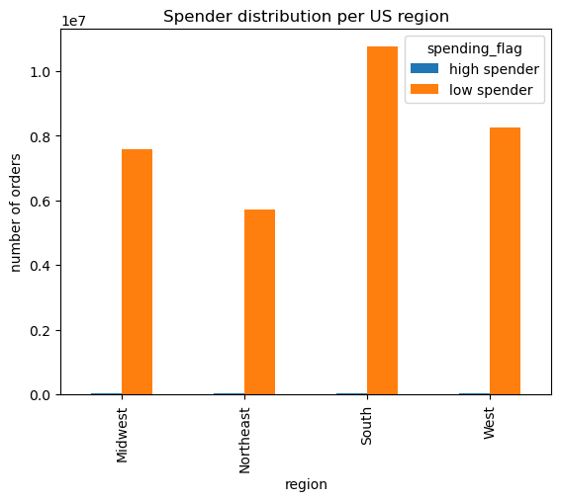

Customer Profile Analysis |  |  | 2024 (year of segmentation) | Age min | Age max
 |  |  | Boomer+ | 60 | 78 and older
 |  |  | Gen X | 45 | 59
 |  |  | Millenial | 30 | 44
 |  |  | Gen Z | 12 | 29

Customer_profile_1 = Age & Dependants |  |  |  |  |  |  | Customer_profile_2 = Shopping Type
 | Distribution of orders [fig_10] |  |  |  |  |  |  | Distribution of orders [fig_11]
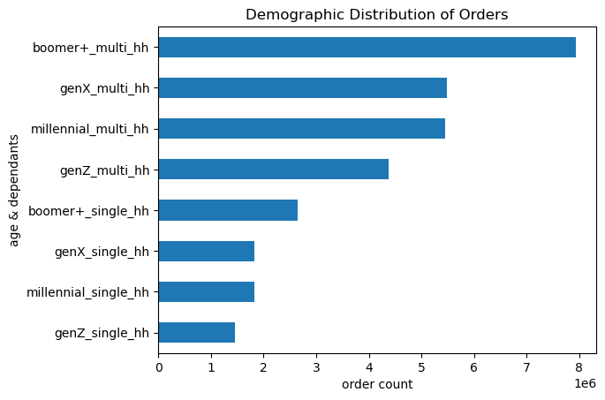
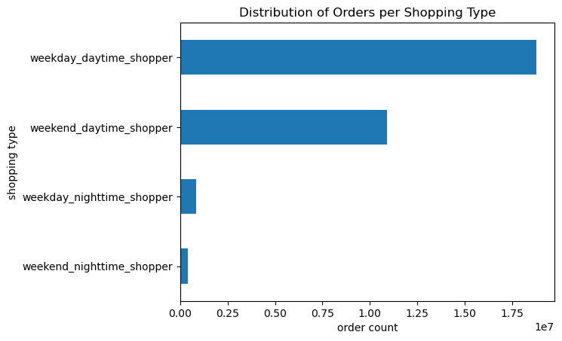

 | The highest amount of orders are placed by Boomers+ (60 years and older) who live in a multi-person household with 1 or more dependants. The younger the customer the less orders they place. |  |  |  |  |  |  | The highest amount of orders are placed by weekday daytime shoppers, followed by weekend daytime shoppers . Neverthe less it's important to keep in mind that most orders are placed on Saturday and Sunday when it comes to single days. There are far less orders placed during the night (between 22.00 and 07.00.

Customer_profile_1 = Age & Dependants |  |  |  |  |  |  | Customer_profile_2 = Shopper Type
 | Income Level [fig_12] |  |  |  |  |  |  | Income Level [fig_19]
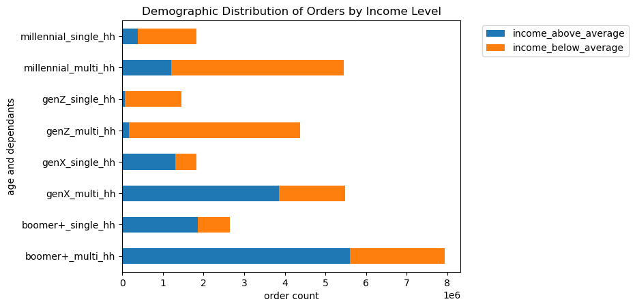
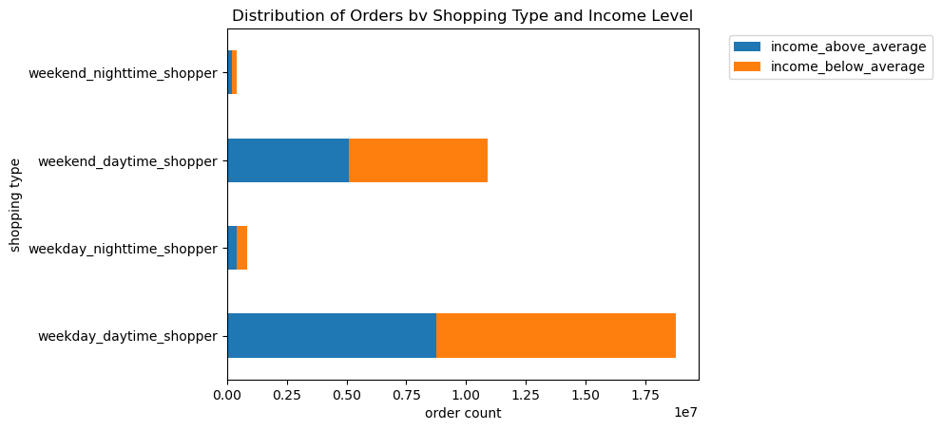

 | The highest amount of orders are placed by Boomers+ (60 years and older) who also have the highest share of above average income levels. While Millennial multi-person households have the third highest share of total orders this group has a very high share of below average income levels compared e.g. to GenX multi households that have a much higher share of above average incomes. GenZ has the highest share of below average incomes in line with a much shorter time on the job market and focus on education. |  |  |  |  |  |  | Income levels are failry evenly distributed between all shopper types.

Customer_profile_1 = Age & Dependants |  |  |  |  |  |  | Customer_profile_2 = Shopper Type
 | Loyalty Level [fig_13] |  |  |  |  |  |  | Distribution by loyalty level [fig_20]

 | regular customer |  | loyal customer |  | new customer |  |  | regular customer | loyal customer | new customer
 | maximum orders |  | maximum orders |  | maximum orders |  |  | maximum orders | maximum orders | maximum orders
 | > 10 <= 40 |  | > 40 |  | <= 10 |  |  | > 10 <= 40 | > 40 | <= 10
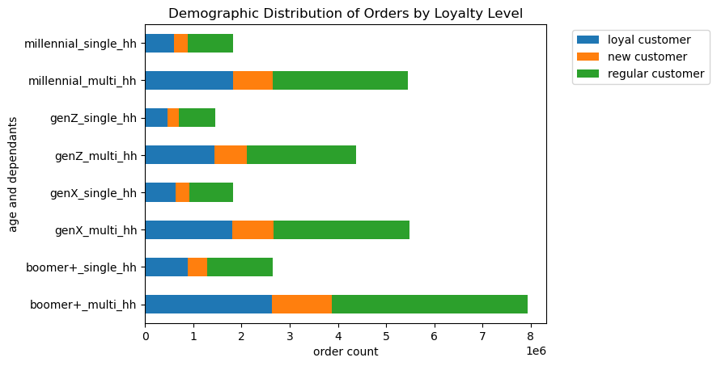
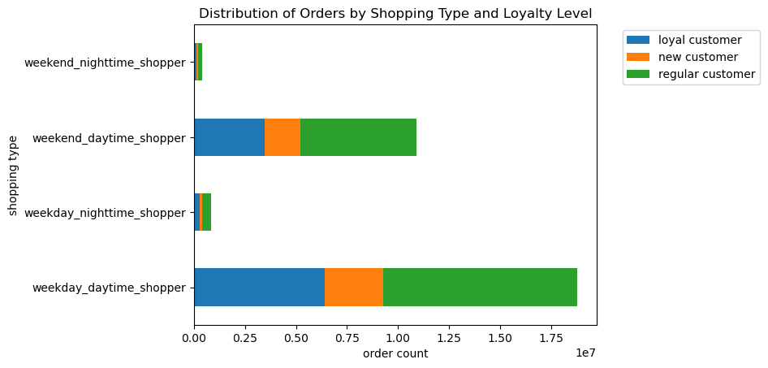

 | Loyalty levels have a similar distribution among all demographic categories. Regular customers make up for the highest share, followed by regular customers. New customers are on the lowest level in all categories which can be an opportunity for a more aggressive acquisition strategy. |  |  |  |  |  |  | Loyalty levels have a similar distribution among all shopper types that follows the overall distribution of loyalty levels.

Customer_profile_1 = Age & Dependants |  |  |  |  |  |  | Customer_profile_2 = Shopper Type
 | Product Department [fig_14] |  |  |  |  |  |  | Distribution by Product Department [fig_21]
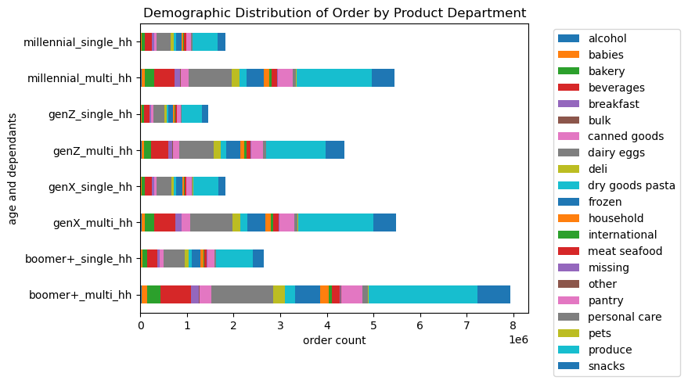
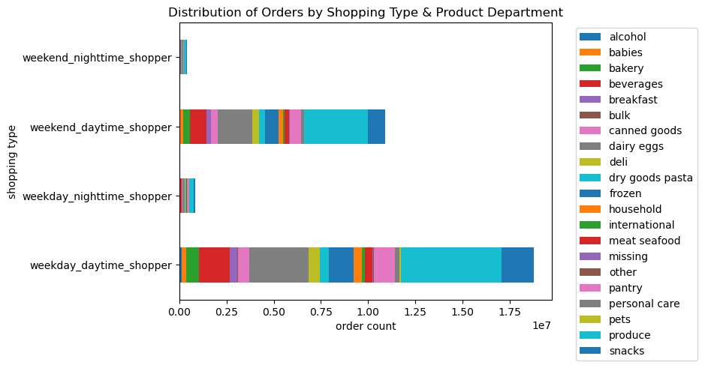

 | The distribution of orders over product departments per demographic group follows the overall trend. The highest amount of orders come from the produce section, followed by dairy eggs, snacks, beverages and frozen. |  |  |  |  |  |  | The distribution of orders over product departments per shopping type follows the overall trend. The highest amount of orders come from the produce section, followed by dairy eggs, snacks, beverages and frozen.

Customer_profile_1 = Age & Dependants |  |  |  |  |  |  | Customer_profile_2 = Shopper Type
 | Region [fig_18] |  |  |  |  |  |  | Region [fig_24]
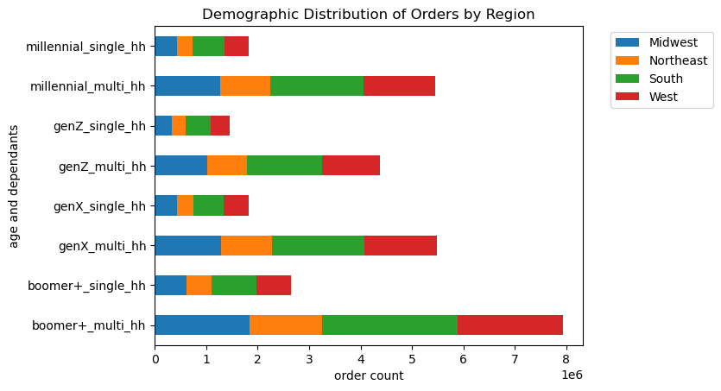
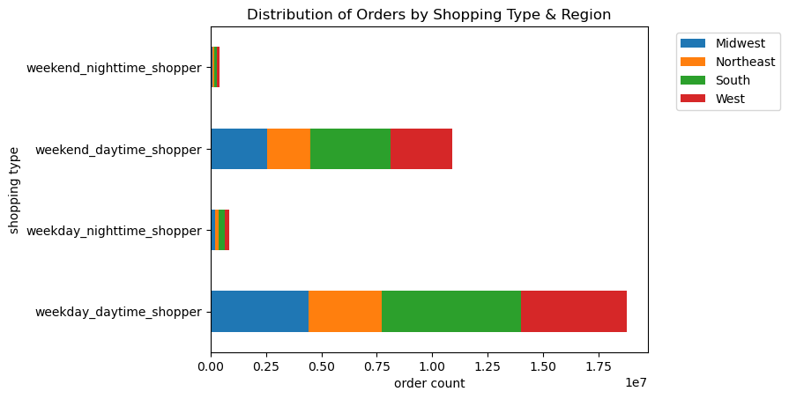

 | The different demopgraphic groups have a similar distribution over all US regions with the South being the biggest group and the Northeast the smallest which is in line with the populations size of thore regions. There is no sign of a higher market share in a particular area. |  |  |  |  |  |  | The distribution of shopping type and region follows the same pattern as for the demographic groups. There are no regions that stand out for specific shopping types.

Customer_profile_1 = Age & Dependants |  |  |  |  |  |  | Customer_profile_2 = Shopper Type
 | Order Frequency [fig_16] |  |  |  |  |  |  | Order Frequency [fig_22]
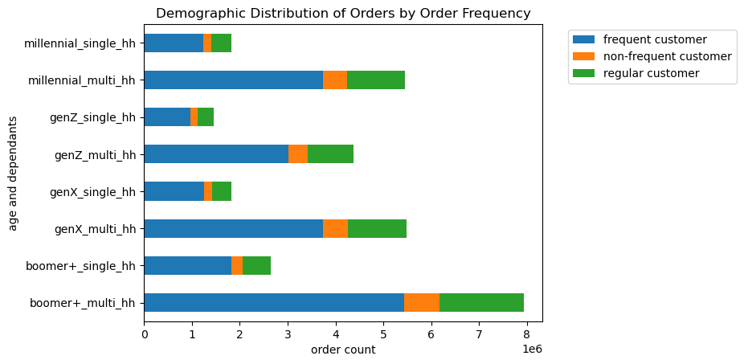
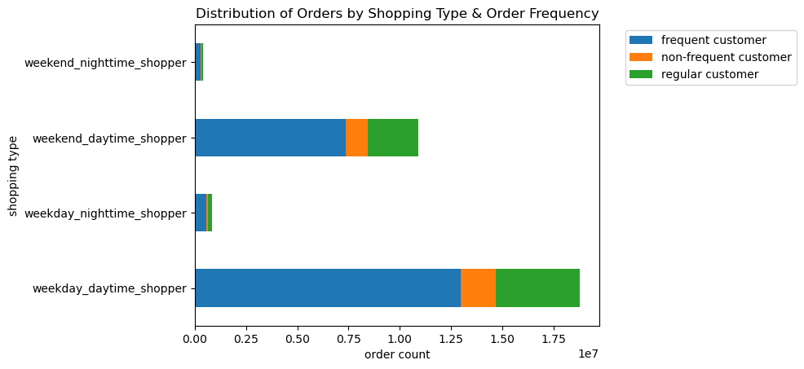

 | The different demopgraphic groups have a similar distribution in terms of order frequency. Frequent customers make up for the highest share among all demographics followed by regular customers and non-frequent customers. |  |  |  |  |  |  | The different shopping types follow the same distribution pattern than the demographic types. Even nighttime shoppers have a high share of frequent customers and a low share of non-frequent customers.

Customer_profile_1 = Age & Dependants |  |  |  |  |  |  | Customer_profile_2 = Shopper Type
 | Product Price [fig_17] |  |  |  |  |  |  | Product Price [fig_23]

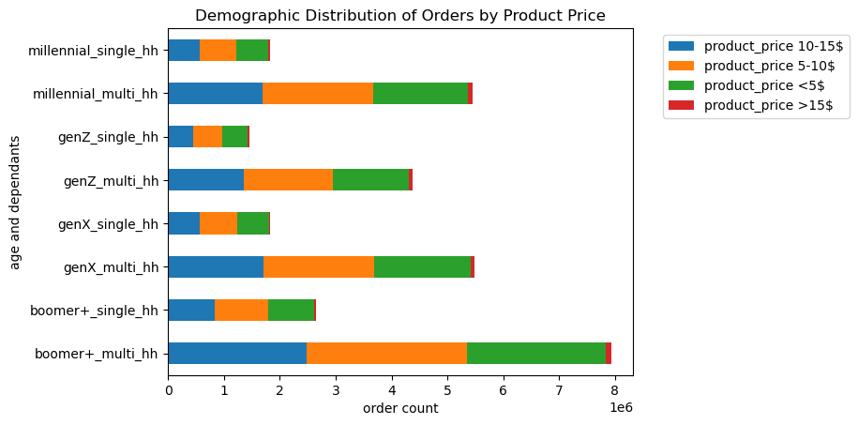
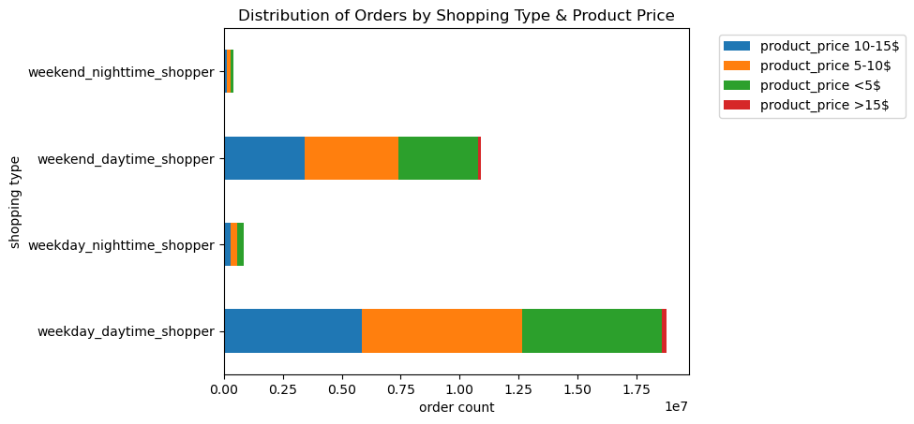

 | The different demopgraphic groups have a similar distribution in terms of product prices of orders. Prices from 5 to 15$ are fairly evenly disributed (both above high and low income groups) and prices of 15$ or rare in all categories. It seems that no group is particularly price sensitive. |  |  |  |  |  |  | Product prices follow the same distribution when it comes to shopping types. No shopping type stands out for a higher or lower price sensitivity.

 |  |  |  |  | Customer_profile_1 = Age & Dependants
 |  |  |  |  |  | Shopper Type [fig_15]
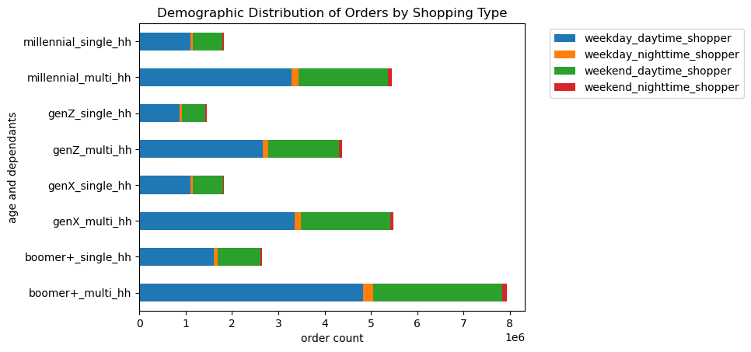

 |  |  |  |  |  | The different demopgraphic groups have a similar distribution in terms of shopping behaviour. Most people in all age groups and household types shop on a weekday in the daytime, followed by weekends during the day.

Customer_profile_1 = Age & Dependants |  |  |  |  |  |  | Customer_profile_2 = Shopper Type |  |  |  |  | Customer_profile_2 = Shopper Type
 | Family Status [fig_25] |  |  |  |  |  |  | Family Status [fig_27] |  |  |  |  | Family Status [fig_27a]

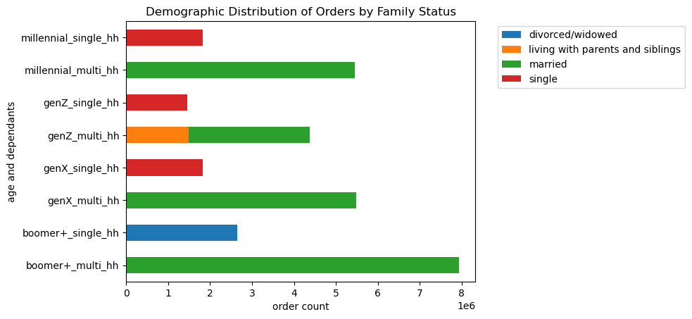
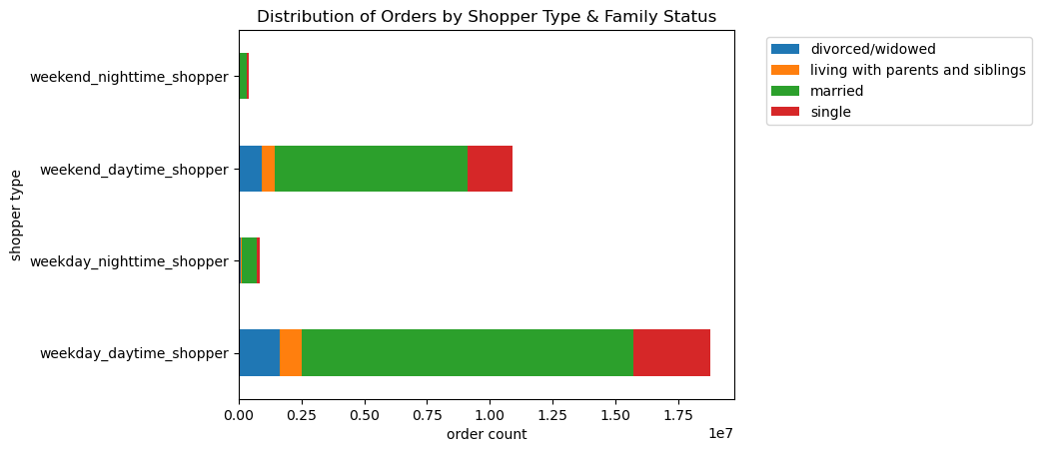
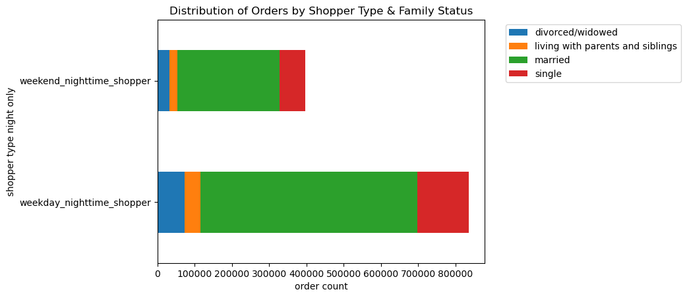

 | Interestingly the entire Boomer+ single household customer group has the status divorced/windowed while the other single household groups have the status single. Despite of the GenZ demographic all multi-person households are married. |  |  |  |  |  |  | The different shopper types show a similar distribution with mostly 'married' family statuses, followed by 'single', 'divorced/widowed' and 'living with parents and siblings' |  |  |  |  | Zoom in on nighttime shoppers for comparibility

Customer_profile_1 = Age & Dependants |  |  |  |  |  |  | Customer_profile_2 = Shopper Type
 | Baby Products [fig_26] |  |  |  |  |  |  | Baby Products [fig_28]
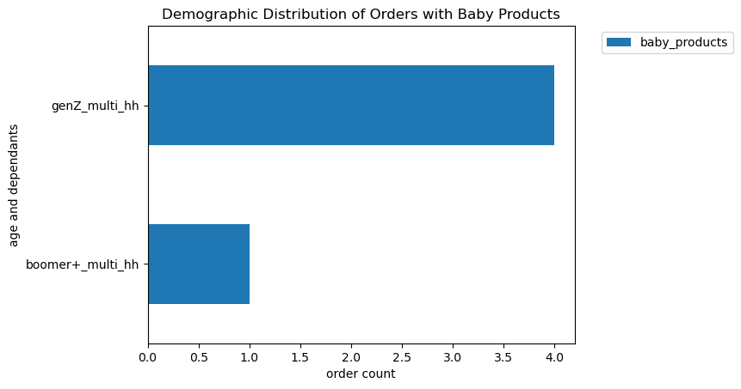
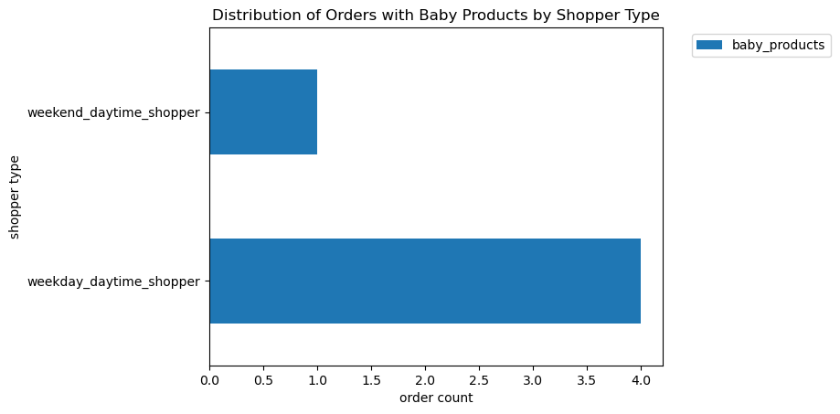

 | Baby Products are currently only bought by the Boomer+ multi-person households and the GenZ multi-person households which is surprising considering that you would expect more Millenials with young children. |  |  |  |  |  |  | Baby Products are currently only bought during daytime.

7. Recommendations
 |  |  | Title page

Recommendations

In this tab you should include any recommendations you would made to Instcart in terms of their marketing strategy based on the questions posed in the brief. Every key question has been covered in the Tasks of the Exercises - here you need to add an item - a visualisation or table/crosstable that is showing the answer in the data, acompanied by a comment from you. Please, list the questions below and add the answer underneath.

Question | Answer / Recommendation | Visualisation Reference
Key Question 1 : The sales team needs to know what the busiest days of the week and hours of the day are (i.e., the days and times with the most orders) in order to schedule ads at times when there are fewer orders | The busiest times are weekends (Sat/Sun) between 10.00 and 16.00 which is when the majority of customers are shopping. This is likely when the competition is also high and prices to run ads might be very competitive. It could be interesting to test running ads on less busy days and/or add ads for 'nighttime' shoppers. For the last category it's likely that much less people will see the ads, but ad prices might be very cheap, so it could still be lucrative to tab into this audience. | fig_1 & fig_4
Key Question 2 : They also want to know whether there are particular times of the day when people spend the most money, as this might inform the type of products they advertise at these times | There is very low fluctuation on product prices by hour of day. It is probably more efficient to focus on customer profiles and products in terms of marketing strategy than on an hourly product marketing strategy. | fig_6
Key Question 3: Instacart has a lot of products with different price tags. Marketing and sales want to use simpler price range groupings to help direct their efforts | The product_price_level column has grouped prices in four categories. However, looking at the different customer profiles created, there doesn't seem to be a high price sensitivity among instacarts customer base in the first three categories. As long as the product price doesn't exceed 15$ customers are frequently buying products from all other categories. | fig_17 & fig_23
Key Question 4: Are there certain types of products that are more popular than others? The marketing and sales teams want to know which departments have the highest frequency of product orders. | The top 5 departments with the highest orders in total are product, dairy eggs, snacks, beverages and frozen. These would be the product categories to focus on to reach the biggest customer base across all profiles.. Alcohol and pets are on the lowest end. While promoting alcohol can be difficult because of ad resrictions, pet owners could be a customer segment worth targeting since pet owners tend to show high brand loyalty once they find a food brand that works for their pets. | table_1 / fig_17 / fig_23
Key Question 5: The marketing and sales teams are particularly interested in the different types of customers in their system and how their ordering behaviors differ. For example | The majority of the customer base returns to instacart frequently. There is only a small percentage of non_frequent customers. This pattern is visible among all customer types. The boomer+ age group with multi-person households and the weekday daytime shoppers makes up for the highest amount of frequent customers (in line with their total size compared to the other profiles - especially in contrast to single households and nighttime shoppers which make up for the smallest groups). To further boost instacart's business it could be beneficial to work with incentives like e.g. a regular newsletters with order reminders and promotions to increase the order frequency especially among regular and non-frequent customers. | fig_16 / fig_22
5.a. What’s the distribution among users in regards to their brand loyalty (i.e., how often do they return to Instacart)
5.b. Are there differences in ordering habits based on a customer’s loyalty status? | The majority of the customer base are regular customers (who placed between 10 and 40 orders) , followed by loyal customers (40+ orders) and new customers (less than 10 orders). This pattern is visible among all customer profiles. To further boost brand loyalty it could be beneficial to introduce a loyalty program that rewards loyal customers and therefore sets incentives to shop at instacart instead of a competitior. | fig_5 / fig_13 / fig_20
5.c. Are there differences in ordering habits based on a customer’s region? | Ordering habits show a similar pattern among all regions. Instacart's largest customer base is in the South, followed by the West, the Midwest and the Northeast in line with the regions overall population. There is no sign of a higher or lower brand awareness among a specific region at this state. | fig_18, fig_24
5.d. Is there a connection between age and family status in terms of ordering habits? | The highest amount of orders are placed by Boomers+ (60 years and older) who live in a multi-person household with 1 or more dependants. The younger the customer the less orders they place. Most orders are placed during the week in daytime, followed by the weekends in daytime (Note that in terms of individual days Saturday and Sunday are still the days with the highest amount of orders). | fig_10 / fig_11 / fig_15
5.e. What different classifications does the demographic information suggest? Age? Income? Certain types of goods? Family status? | The highest amount of orders are placed by Boomers+ (60 years and older) in a multi-person household. This group also has the highest share of above average income levels. While Millennial multi-person households have the third highest share of total orders this group has a very high share of below average income levels compared e.g. to GenX multi households that have a much higher share of above average incomes. GenZ has the highest share of below average incomes in line with a much shorter time on the job market and focus on education. | fig_12 / fig_13
 | Interestingly the entire Boomer+ single household customer group has the status divorced/windowed while the other single household groups have the status single. Despite of the GenZ demographic all multi-person households are married. The different shopper types show a similar distribution with mostly 'married' family statuses, followed by 'single', 'divorced/widowed' and 'living with parents and siblings'. Since the family statuses are so clear cut in the dataset it might make sense to verify that these entries are correct (it is very unlikely that there are no single Boomer+ households at all for instance). | fig_25 / fig_27
5.f. What differences can you find in ordering habits of different customer profiles? Consider the price of orders, the frequency of orders, the products customers are ordering, and anything else you can think of. | There is no significant difference between the customer profiles when it comes to their frequency of orders, their product choice, their loyalty or their price sensitivity. | fig_14 / fig_21
 | Zooming in on particular product departments it is interesting to note that Baby Products are currently only bought by the Boomer+ multi-person households and the GenZ multi-person households which is surprising considering that you would expect more Millenials with young children. Also Baby Products are currently only bought during daytime. It could be interesting to dive more into the assortment of baby products and why they are mostly bought by an elder demographic. A more extensive product analysis per department would probably also shed more light on the nuances among the product types. | fig_16 / fig_28

